Sheet1
ID | SMILES | Molecular Weight | original name | Mol
E001 | O=C(NC1=CC(OC)=CC(S(=O)(C)=O)=C1)C(C2=CNC3=C2C=CC=C3)C4=CC=C(C(F)(F)F)C=C4 | 502.51 | ZR-178 | 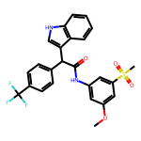
E002 | O=C(NC1=CC=CC=C1C)C(C2=CNC3=C2C=CC=C3)C4=CC=CC=C4 | 340.43 | ZR-200 | 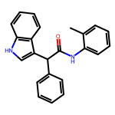
E003 | O=C(NC1=CC(S(=O)(C)=O)=CC(OC)=C1)C(C2=CNC3=C2C=CC=C3)C4=CC=CC=C4 | 434.52 | ZR-201 | 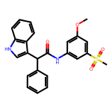
E004 | O=C(NC1=CC(C(N)=O)=CC=C1)C(C2=CNC3=C2C=CC=C3)C4=CC=CC=C4 | 369.42 | ZR-204 | 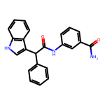
E005 | O=C(NC1=CC(OC)=C(OC)C=C1)C(C2=CNC3=C2C=CC=C3)C4=CC=CC=C4 | 386.45 | ZR-205 | 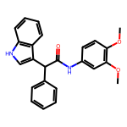
E006 | O=C(NC1=CC=C(Cl)C=C1)C(C2=CNC3=C2C=CC=C3)C4=CC=CC=C4 | 360.84 | ZR-206 | 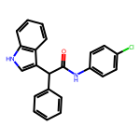
E007 | O=C(NC1=CC=C(C(F)(F)F)C=C1)C(C2=CNC3=C2C=CC=C3)C4=CC=CC=C4 | 394.4 | ZR-207 | 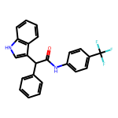
E008 | O=C(NC1CC1)C(C2=CNC3=C2C=CC=C3)C4=CC=CC=C4 | 290.37 | ZR-231 | 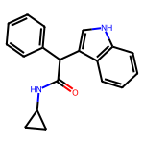
E009 | O=C(NC1C2CC1C2)C(C3=CNC4=C3C=CC=C4)C5=CC=CC=C5 | 316.4 | ZR-232 | 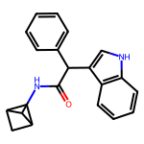
E010 | O=C(NC1CCCC1)C(C2=CNC3=C2C=CC=C3)C4=CC=CC=C4 | 318.42 | ZR-233 | 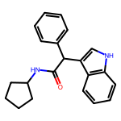
E011 | O=C(N1CC(C1)=O)C(C2=CNC3=C2C=CC=C3)C4=CC=CC=C4 | 304.35 | ZR-234 | 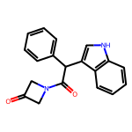
E012 | O=C(NC1=NOC(C)=C1)C(C2=CNC3=C2C=CC=C3)C4=CC=CC=C4 | 331.38 | ZR-235 | 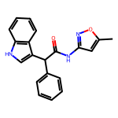
E013 | O=C(N(C1=CC=CC=C1)C)C(C2=CNC3=C2C=CC=C3)C4=CC=CC=C4 | 340.43 | ZR-236 | 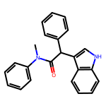
E014 | O=C(N[C@@H](C(C)C)CO)C(C1=CNC2=C1C=CC=C2)C3=CC=CC=C3 | 336.44 | ZR-237 | 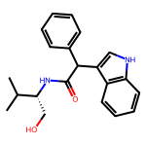
E015 | O=C(NCC1=CC=CC=C1)C(C2=CNC3=C2C=CC=C3)C4=CC=CC=C4 | 340.43 | ZR-238 | 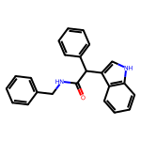
E016 | O=C(NCC(C=C1)=CC=C1Cl)C(C2=CNC3=C2C=CC=C3)C4=CC=CC=C4 | 374.87 | ZR-239 | 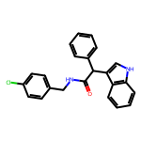
E017 | O=C(NCC1=CC=C(OC)C=C1)C(C2=CNC3=C2C=CC=C3)C4=CC=CC=C4 | 370.45 | ZR-240 | 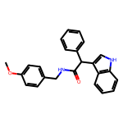
E018 | O=C(NCC1=CC=CC=C1C(F)(F)F)C(C2=CNC3=C2C=CC=C3)C4=CC=CC=C4 | 408.42 | ZR-241 | 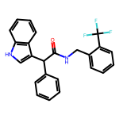
E019 | O=C(NCC1=CC=C(C(F)(F)F)C=C1)C(C2=CNC3=C2C=CC=C3)C4=CC=CC=C4 | 408.42 | ZR-242 | 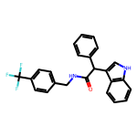
E020 | O=C(NCC1=CC(C(F)(F)F)=C(Cl)C=C1)C(C2=CNC3=C2C=CC=C3)C4=CC=CC=C4 | 442.87 | ZR-243 | 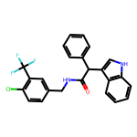
E021 | O=C(NCC1=CC(OC)=C(OC)C(OC)=C1)C(C2=CNC3=C2C=CC=C3)C4=CC=CC=C4 | 430.5 | ZR-244 | 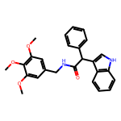
E022 | O=C(N(C)CC1=CC=CC=C1)C(C2=CNC3=C2C=CC=C3)C4=CC=CC=C4 | 354.45 | ZR-245 | 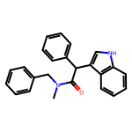
E023 | O=C(NC1=CC=C(Cl)C=C1)C(C2=CNC3=C2C=CC=C3)C4=CC=CC=C4 | 360.84 | ZR-246
E024 | O=C(NC1=C(OC)C=CC=C1)C(C2=CNC3=C2C=CC=C3)C4=CC=CC=C4 | 356.43 | ZR-247 | 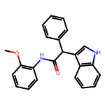
E025 | O=C(NC1=CC=C(C)C=C1Br)C(C2=CNC3=C2C=CC=C3)C4=CC=CC=C4 | 419.32 | ZR-248 | 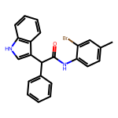
E026 | O=C(NC1=CC=C(C2=CN=CO2)C=C1)C(C3=CNC4=C3C=CC=C4)C5=CC=CC=C5 | 393.45 | ZR-249 | 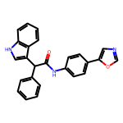
E027 | O=C(NC1=CC=C(C2=CN=CS2)C=C1)C(C3=CNC4=C3C=CC=C4)C5=CC=CC=C5 | 409.51 | ZR-250 | 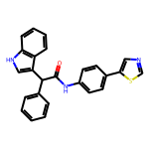
E028 | O=C(NC1=CC(OC)=C(OC)C(OC)=C1)C(C2=CNC3=C2C=CC=C3)C4=CC=CC=C4 | 416.48 | ZR-251 | 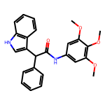
E029 | O=C(NC1=CC=C(OC)C=C1)C(C2=CNC3=C2C=CC=C3)C4=CC=CC=C4 | 356.43 | ZR-252 | 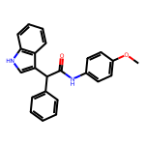
E030 | O=C(NC1=CC=C(C)C=C1)C(C2=CNC3=C2C=CC=C3)C4=CC=CC=C4 | 340.43 | ZR-253 | 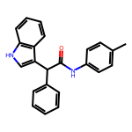
E031 | O=C(NC1=CC=CC(C)=C1)C(C2=CNC3=C2C=CC=C3)C4=CC=CC=C4 | 340.43 | ZR-254 | 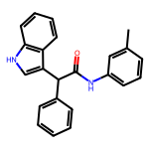
E032 | O=C(NCCC1=CC=C(OC)C(OC)=C1)C(C2=CNC3=C2C=CC=C3)C4=CC=CC=C4 | 414.51 | ZR-255 | 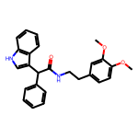
E033 | O=C(N1CC(C=CC=C2)=C2C1)C(C3=CNC4=C3C=CC=C4)C5=CC=CC=C5 | 352.44 | ZR-256 | 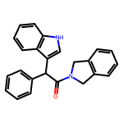
E034 | O=C(NC(C)C1=C(Cl)C=CC=C1)C(C2=CNC3=C2C=CC=C3)C4=CC=CC=C4 | 388.9 | ZR-257 | 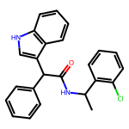
E035 | O=C(NCCCC)C(C1=CNC2=C1C=CC=C2)C3=CC=CC=C3 | 306.41 | ZR-258 | 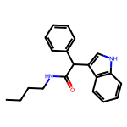
E036 | O=C(NCCCCC)C(C1=CNC2=C1C=CC=C2)C3=CC=CC=C3 | 320.44 | ZR-259 | 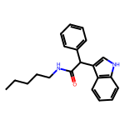
E037 | O=C(NC1CCCCC1)C(C2=CNC3=C2C=CC=C3)C4=CC=CC=C4 | 332.45 | ZR-260 | 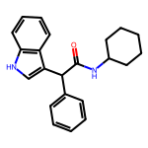
E038 | O=C(NCCC1=CC=CC=C1)C(C2=CNC3=C2C=CC=C3)C4=CC=CC=C4 | 354.45 | ZR-261 | 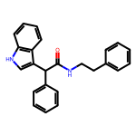
E039 | O=C(NC1=CC=C(OC(F)(F)F)C=C1)C(C2=CNC3=C2C=CC=C3)C4=CC=CC=C4 | 410.4 | ZR-220 | 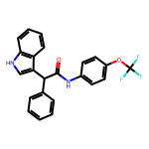
E040 | O=C(NC1=CC(C(F)(F)F)=CC=C1)C(C2=CNC3=C2C=CC=C3)C4=CC=CC=C4 | 394.4 | ZR-221 | 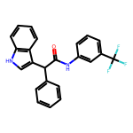
E041 | O=C(NCC1=CC(Cl)=CC=C1)C(C2=CNC3=C2C=CC=C3)C4=CC=CC=C4 | 374.87 | ZR-222 | 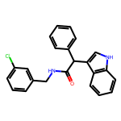
E042 | O=C(NCC1=NC=CC=C1)C(C2=CNC3=C2C=CC=C3)C4=CC=CC=C4 | 341.41 | ZR-223 | 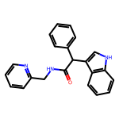
E043 | O=C(NC1=CC=CC=C1)C(C2=CNC3=C2C=CC=C3)C4=CC=CC=C4 | 326.4 | ZR-224 | 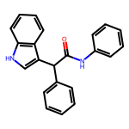
E044 | O=C(NCC1=NC=CC=C1)C(C2=CNC3=C2C=C(OC(F)(F)F)C=C3)C4=CC=CC=C4 | 425.41 | ZR-229 | 